1. Title Page
Grocery Basket Analysis

Project Name: Instacart Grocery Basket Analysis
Date: August 28th, 2023
Analyst Name: Verbenko Liliia

Contents:
Population Flow
Consistency checks
Wrangling steps
Column derivations
Visualizations
Recommendations

2. Population Flow
Title page

Population flow

Exclusion flag
Condition: max_order < 5
Obervations to be removed: 1,440,295
Final total count of order_products_all: 30,964,564

Orders_products_combined
Orders_products_merged
Orders_products_all

Total: 32,404,859 rows x 14 columns
Total: 30,964,564 rows x 40 columns
Total: 32,434,489 rows x 10 columns

1.) The grey boxes in the first row of the population flow represent the original data sets as they were when you downloaded them. In the Total fields you need to add the count of the rows when you imported the data set into Jupyter.
2.) The second row of boxes (coloured) represents the data sets after you manipulated them, e.g., removed missing values and duplicates. In the Total fields you need to add the count of the rows after conducting these operations. This offers a visual oveview of how the data flows throughout the data consistency checks.
3.) The third row, where also the arrows are coloured, represents the merges you performed between the datasets. In the Total fields you need to add the count of the rows in the merged datasets, so that you end up with the final dataset (in the red box). Keep in mind the final dataset should be without exclusions (based on the exclusion flag).

3. Consistency checks
 |  |  |  | Title page
Consistency checks

Dataset | Missing values | Missing values treatment | Duplicates
orders | days_since_prior_order: 206,209 | Considering that the missing values originate from customers' initial orders, the data will remain unchanged in this regard. | No duplicates
products | product_name : 16 | The values were dropped | 5 duplicates
orders_products_prior | No missing values |  | No duplicates
customers | first_name: 11,259 | No action was taken since they make up more than 5% of the data, and leaving them as NaN will not affect the analysis.

4. Wrangling steps
 |  |  |  | Title page
Wrangling steps

Columns dropped | Columns renamed | Columns' type changed | Comment/Reason
eval_set |  |  | Irrelevant column
First Name, Last Name |  |  | data privacy protection
 | "order_dow" to "orders_day_of_week" |  | Ease of comprehension
 | "days_since_prior_order" to "days_since_last_order" |  | Ease of comprehension
 | "Surnam" to "surname" |  | Spelling
 | "First Name" to "first_name" "Gender" to "gender" "STATE" to "state" "Age" to "age" "n_dependants" to "number_of_dependants" "fam_status" to "marital_status" |  | Consistency
 |  | "order_id" and "user_id" to strings | These are categorical variables so they should be strings
 |  | "First_Name" column in the customers dataframe | Column was changed to a string had due to being mixed type and having missing values

5. Column derivations
 |  |  |  | Title page

Column derivations and aggregations

In this tab you should add tables below that the frequences of flags/label variables that you produced after deriving them. NB: don't do this for continuous variables, only for flags.
Dataset | New column | Column/s it was derived from | Conditions
orders_products_merged_updated | price_range | prices | "Low-range product" (value is <= 5) "Mid-range product" (value >5 and <=15) "High-range product" (value > 15)
 | busiest_day | order_day_of_week | "Busiest days" (value = 0, 1) "Slowest days" (value = 3, 4) "Regularly busy" (value = else)
 | busiest_hours | order_hour_of_day | "Most orders" (value = 10, 11, 14, 15, 13, 12 16, 9) "Average orders" (value = 17, 8, 18, 19, 20, 7, 21, 22) "Fewest orders" (value = else)
orders_products_merged_updated_2 | loyalty_flag | max_order | "Loyal customer" (value > 40) "Regular customer" (value<=40 and >10) "New customer" (value <10)
 | spending_flag | average_price | High spender' (value >= 10) 'Low spender' (value < 10)
 | order_frequency_flag | days_since_last_order | Non-frequent customer' (value > 20) 'Regular customer' (10 < value <= 20) 'Frequent customer' (value <= 10)
orders_products_final | region | state
 | customer_activity | max_order | "High_activity_customer" (value >= 5) "Low_activity_customer" (value < 5)
 | age_group | age | "young" (value < 40) "middle_aged" (value >= 40 and <60) "elderly" (value >= 60)
 | income_groups | income | "low_income" (<48,500) "middle_income" (value >=48,500 and < 145,500) "high_income" (value >=145,500)
 | customer_snacks | user_id, department_id | "snacks_buyer" (value = 19) "snack_non_buyer" (value != 19)
 | customer_meat_seafood | user_id, department_id | "meat_seafood_buyer" (value = 12) "meat_seafood_non_buyer" (value != 12)
 | family_status_flag | marital_status, number_of_dependants | "Married WITH Dependants" (value = 'married', >=1) "Single with NO Dependants" (value = 'divorced/widowed', 'living with parents and siblings', 0) "Married with NO Dependants" (value = 'married', 0) "Single WITH Dependants" (value = 'divorced/widowed', 'living with parents and siblings',>=1)

6. Visualizations
 |  |  |  |  |  |  | Title page

Visualisations

In this tab you should include all the visualtions from Exercises 4.9 and 4.10, alongside the questions from the project brief that they answer. Include any commentary on the relationship between different variables.

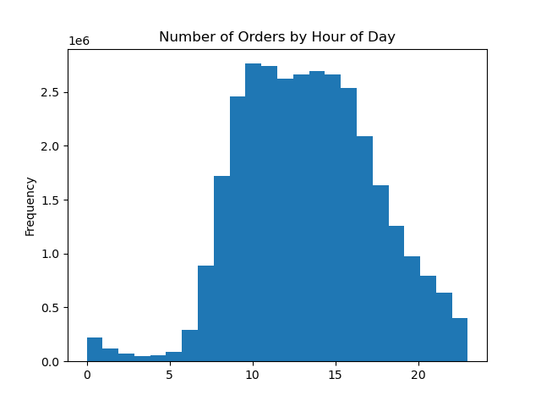
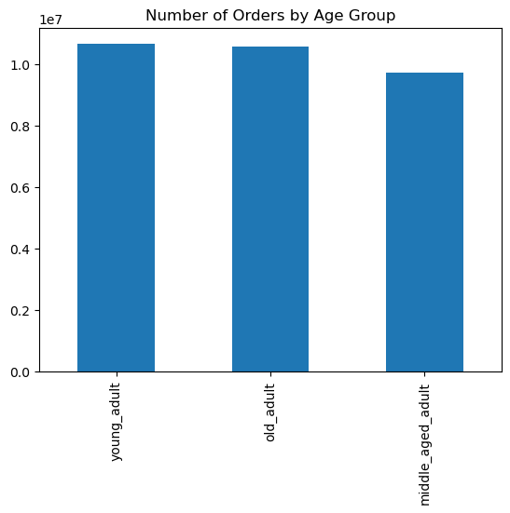

Legends
0 - Saturday
1 - Sunday
2 - Monday
3 - Tuesday
4 - Wednesday
5 - Thursday
6 - Friday

The peak ordering hours are from 10 am to 4 pm, followed by a decline after 4 pm. The busiest time of the week is the weekend, while Tuesdays and Wednesdays are quieter.

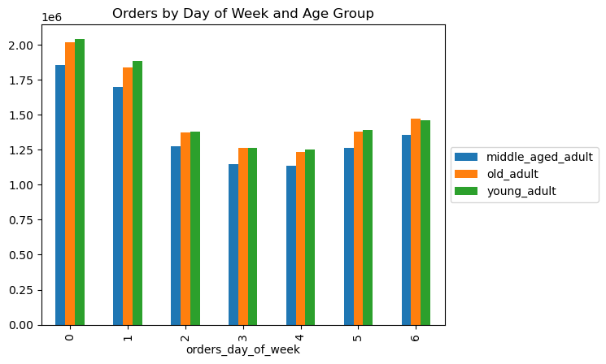
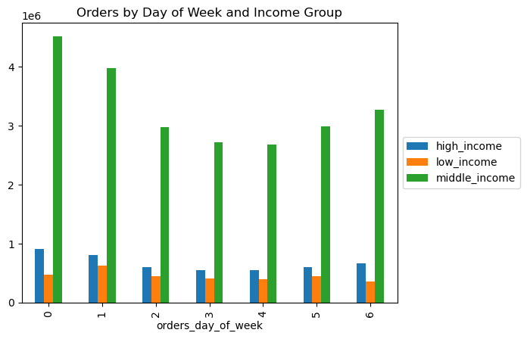
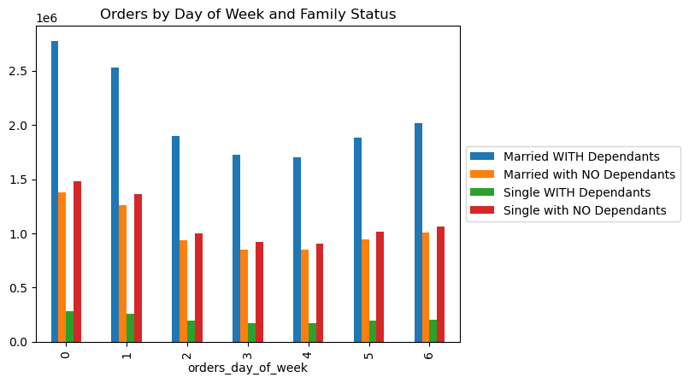

Except for low-income customers who order less on Saturdays, weekends show high activity across all customer profiles.



Despite a peak at 4 am, prices remain stable throughout the day.

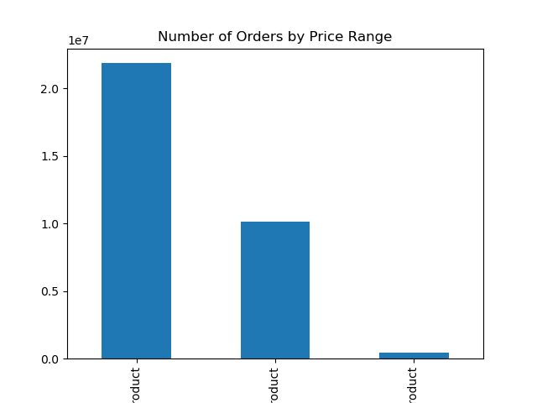

Conditions
'"Low-range product" (price is <= 5)
"Mid-range product" (price >5 and <=15)
"High-range product" (price > 15)

 | price_range_loc | Number of Orders | % of Total | Frequency | Average Price
 | Mid-range product | 20,891,771 | 435% | 10.8 | $9.76
 | Low-range product | 9,674,840 | 201% | 10.8 | $3.02
 | High-range product | 397,953 | 8% | 11.1 | $20.61

High-range products are less frequently purchased. Mid-range products are the most popular, followed by low-range items.

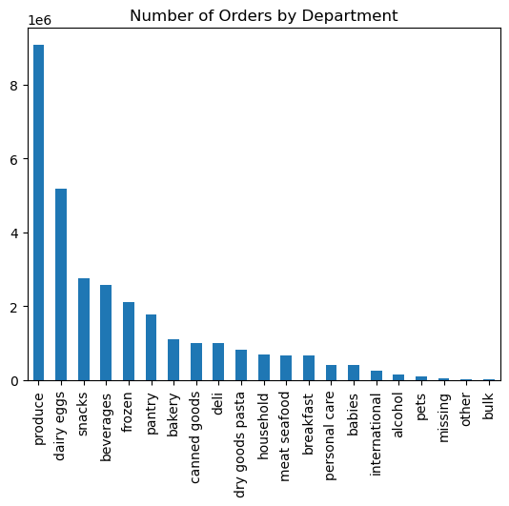

 | department | Number of Orders | % of Total | Frequency | Average Price
 | produce | 9,079,273 | 189% | 10.6 | $7.98
 | dairy eggs | 5,177,182 | 108% | 10.7 | $8.34
 | snacks | 2,766,406 | 58% | 10.7 | $4.28
 | beverages | 2,571,901 | 54% | 10.8 | $7.68
 | frozen | 2,121,731 | 44% | 11.4 | $7.73
 | pantry | 1,782,705 | 37% | 10.8 | $8.01
 | bakery | 1,120,828 | 23% | 10.8 | $7.86
 | canned goods | 1,012,074 | 21% | 11.3 | $7.55
 | deli | 1,003,834 | 21% | 11.1 | $7.78
 | dry goods pasta | 822,136 | 17% | 11.4 | $7.35
 | household | 699,857 | 15% | 11.6 | $7.38
 | meat seafood | 674,781 | 14% | 11.1 | $16.30
 | breakfast | 670,850 | 14% | 11.0 | $8.03
 | personal care | 424,306 | 9% | 11.3 | $8.00
 | babies | 410,392 | 9% | 9.8 | $7.63
 | international | 255,991 | 5% | 11.0 | $7.68
 | alcohol | 144,627 | 3% | 10.0 | $8.15
 | pets | 93,060 | 2% | 11.6 | $7.89
 | missing | 64,768 | 1% | 9.9 | $8.66
 | other | 34,411 | 1% | 10.6 | $6.96
 | bulk | 33,451 | 1% | 9.9 | $8.35

The department with the highest average price is meat seafood, and the lowest is snacks. Half of the orders are for Produce, Dairy/eggs, and snacks. Household and pet products are ordered less frequently, while baby products and alcohol are bought more often.



Conditions
"Loyal customer" (# of orders > 40)
"Regular customer" (# of orders <=40 and >10)
"New customer" (# of orders <10)

 | loyalty_flag | Number of Orders | % of Total | Frequency | Average Price
 | Regular customer | 15,876,776 | 331% | 12.2 | 7.80 UAH
 | Loyal customer | 10,284,093 | 214% | 6.0 | 7.77 UAH
 | New customer | 4,803,695 | 100% | 17.6 | 7.80 UAH

Loyal customers exhibit higher order frequency. Regular customers place the majority of orders, while new customers order less frequently.

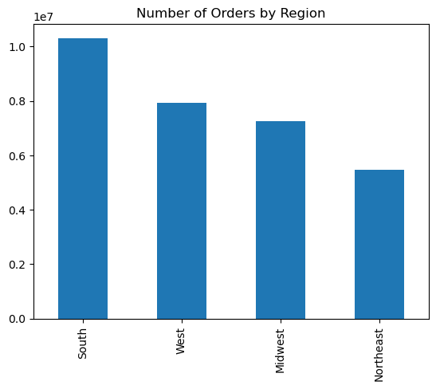

 |  | region | Number of Orders | % of Total | Frequency | Average Price
 |  | South | 10,311,139 | 215% | 10.8 | 7.79 UAH
 |  | West | 7,927,227 | 165% | 10.8 | 7.79 UAH
 |  | Midwest | 7,261,513 | 151% | 10.9 | 7.79 UAH
 |  | Northeast | 5,464,685 | 114% | 10.8 | 7.78 UAH

The South region accounts for a third of orders, and ordering patterns are consistent across all regions in terms of frequency, average price, and product mix.

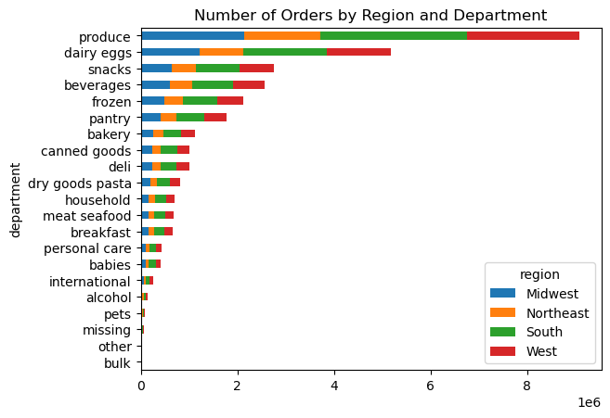

 |  | Region | produce | dairy eggs | snacks | others
 |  | Midwest | 29.4% | 16.7% | 8.9% | 45.0%
 |  | Northeast | 29.2% | 16.7% | 9.0% | 45.1%
 |  | South | 29.4% | 16.7% | 8.9% | 45.0%
 |  | West | 29.3% | 16.7% | 9.0% | 45.0%
 |  | Total | 29.3% | 16.7% | 8.9% | 45.0%

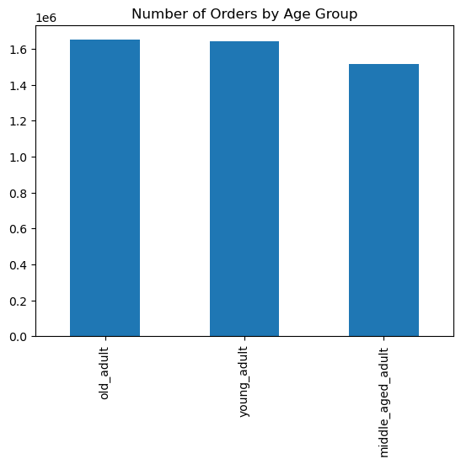
Conditions
"young_adult" (value < 40)
"middle_aged_adult" (value >= 40 and <60)
"old_adult" (value >= 60)

 |  | age_group | Number of Orders | % of Total | Frequency | Average Price
 |  | young_adult | 10,665,110 | 222% | 10.8 | 7.78 UAH
 |  | old_adult | 10,574,504 | 220% | 10.8 | 7.80 UAH
 |  | middle_aged_adult | 9,724,950 | 202% | 10.8 | 7.79 UAH

Ordering habits are uniform across different age groups in terms of frequency and average price, only middle-aged adults place fewer orders.

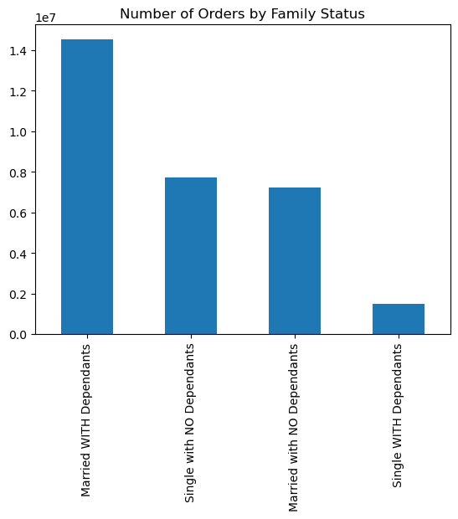

 |  |  | family_status_flag | Number of Orders | % of Total | Frequency | Average Price
 |  |  | Married WITH Dependants | 14,532,650 | 303% | 10.8 | 7.79 UAH
 |  |  | Single with NO Dependants | 7,739,681 | 161% | 10.8 | 7.79 UAH
 |  |  | Married with NO Dependants | 7,211,061 | 150% | 10.8 | 7.80 UAH
 |  |  | Single WITH Dependants | 1,481,172 | 31% | 10.8 | 7.80 UAH

Ordering behaviors are consistent across various family statuses. Only 5% are from single customers with dependents. , while nearly half of the orders come from married customers with dependents.

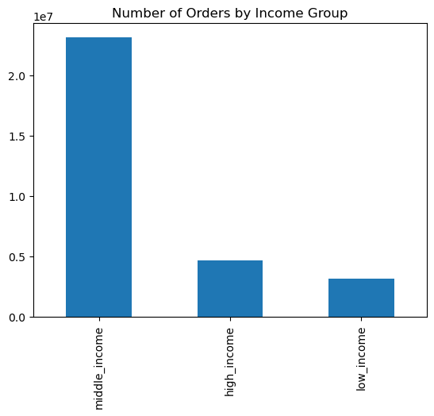

The middle_income group places the most amount of orders.

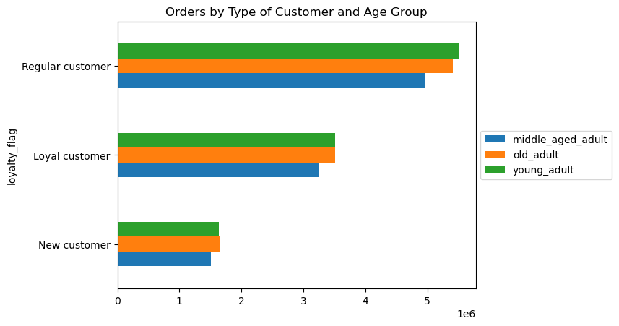

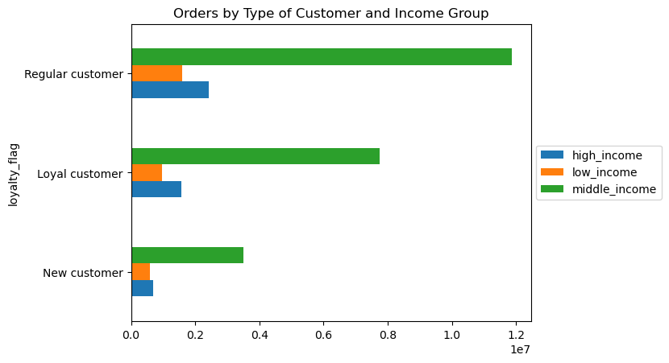

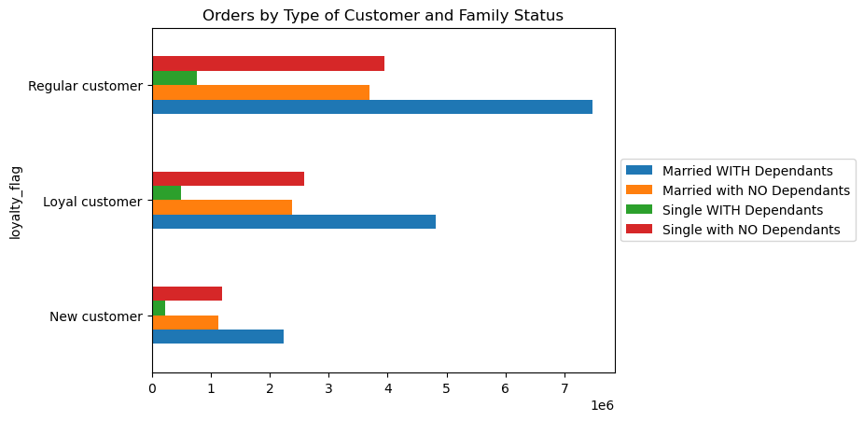

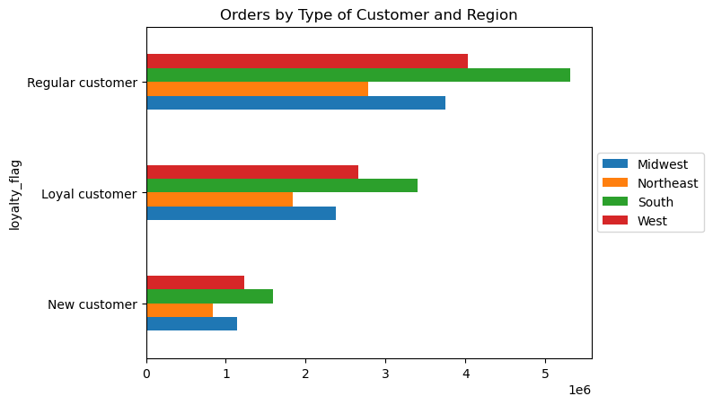

Meat and Seafood Buyers

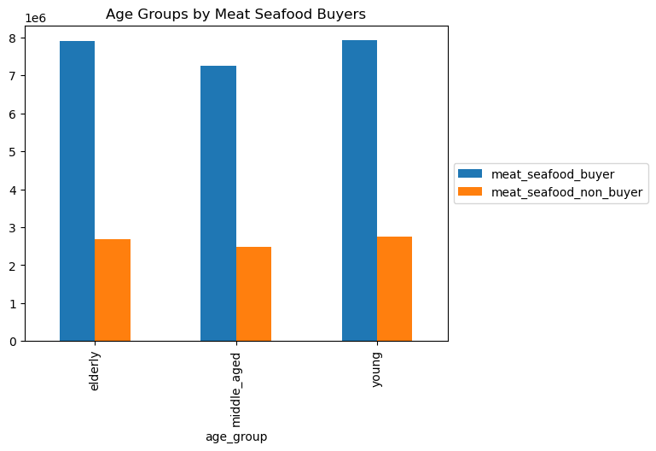
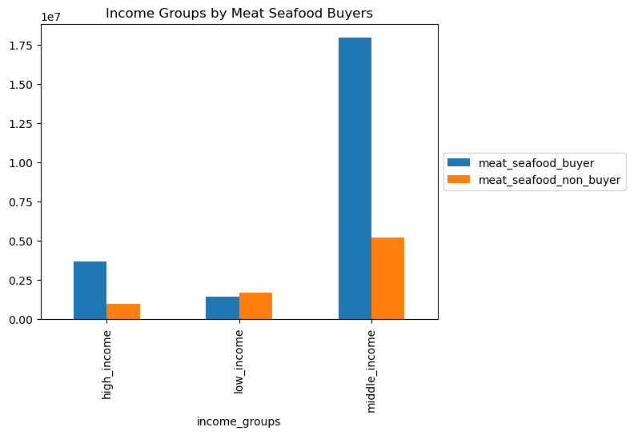

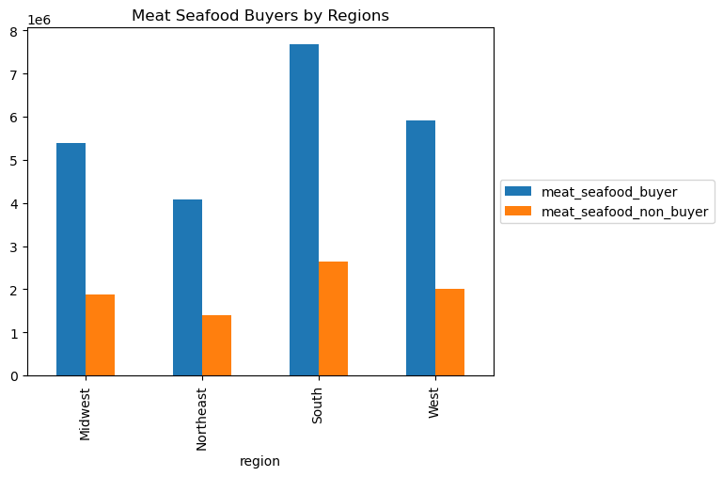
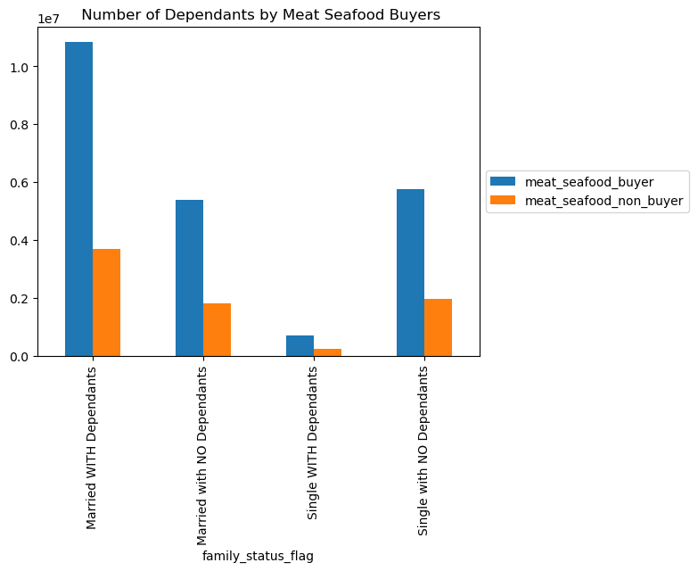

Low-income customers show less purchases of meat and seafood products.

Snack Buyers

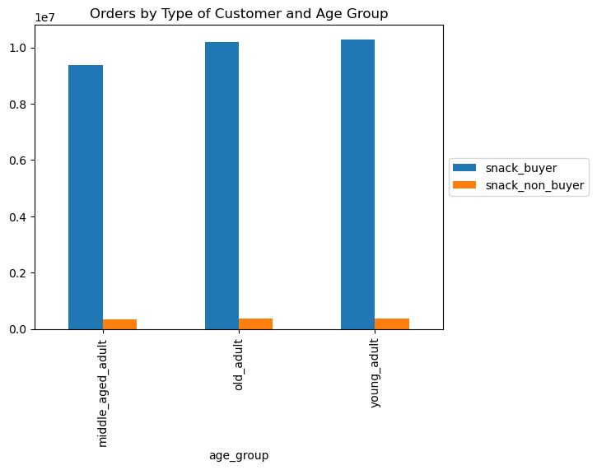
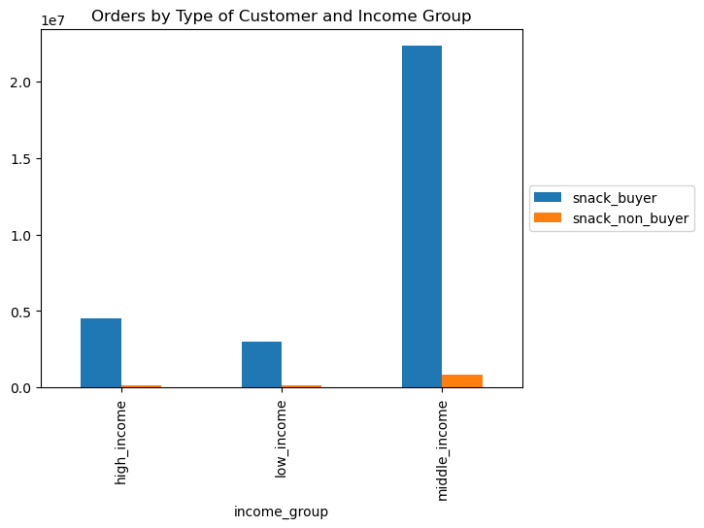

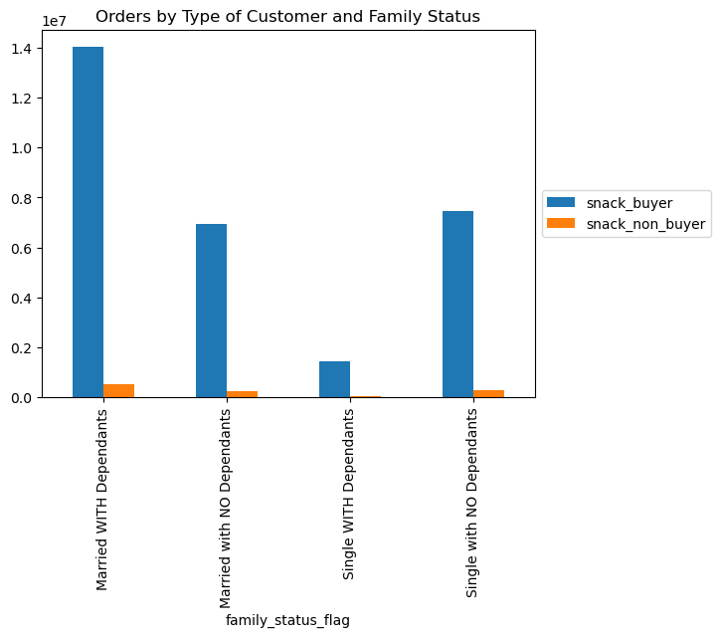

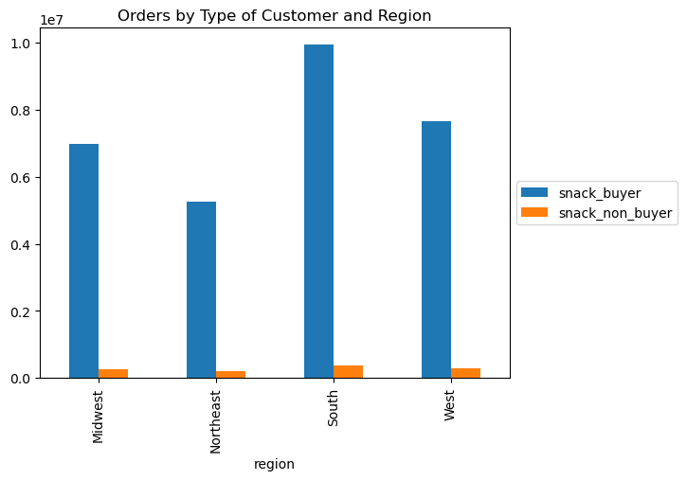

The ordering habits of both snack buyers and non-buyers align with general trends, and the majority of customers have been buying snacks.

7. Recommendations
 |  |  | Title page

Recommendations

In this tab you should include any recommendations you would made to Instcart in terms of their marketing strategy based on the questions posed in the brief. Every key question has been covered in the Tasks of the Exercises - here you need to add an item - a visualisation or table/crosstable that is showing the answer in the data, acompanied by a comment from you. Please, list the questions below and add the answer underneath.

Question | Answer | Recommendation
What are the busiest days of the week and hours of the day? (i.e., the days and times with the most orders) in order to schedule ads at times when there are fewer orders. | 1. During the week, Tuesdays and Wednesdays experience the least activity, whereas the weekend is marked by heightened busyness. 2. The time frame between 10 am and 4 pm witnesses the highest order placement, with a decline in orders after 4 pm. 3. Across all customer categories, the weekend emerges as the peak period for activity; however, people with lower incomes appear to place less orders on Saturdays. | 1. Quiet Days' Targeting: Advertise on Tuesdays and Wednesdays to boost orders during slower periods. 2. Late Afternoon & Evening Focus: Schedule ads after 4 pm and in the evening to counter declining orders. 3. Saturday Specials for Low-Income Customers: Craft ads with targeted deals for low-income customers on Saturdays. 4. Off-Peak Promotions: Run promos during less busy hours like Tuesdays, Wednesdays, and after 4 pm. 5. Weekend Exclusive Ads: Use ads to highlight weekend-only items, capturing busier periods.
Whether there are particular times of the day when people spend the most money? | The price remains consistent throughout the day. | 1. Maximize Customer Experience: With consistent pricing, prioritize exceptional service and personalized interactions throughout the day to encourage spending. 2. Showcase Premium Items: Highlight the value of high-priced items using compelling visuals and detailed descriptions to attract customers' interest
Marketing and sales want to use simpler price range groupings to help direct their efforts. | 1. Products with higher price ranges have a lower frequency of purchase. 2. The products with mid-range prices has the highest sales, and they are trailed by products with lower price ranges. | 1. Focus on Mid-Range Bestsellers: Channel significant marketing efforts into promoting mid-range products, leveraging their popularity. Develop engaging campaigns that highlight their value and benefits. 2. Empower Low-Range Sales: Create targeted campaigns for low-range products, emphasizing affordability. Use these items as entry points for new customers and opportunities for future upselling. 3. Strategize High-Range Offers: Recognize the lower frequency of high-range purchases and tailor marketing to specific segments seeking premium experiences
Are there certain types of products that are more popular than others? Which departments have the highest frequency of product orders? | 1. Approximately fifty percent of orders are attributed to items such as produce, dairy/eggs, and snacks. 2. Household and pet products exhibit lower purchase frequencies, while baby products and alcohol experience more frequent buying patterns. 3. Among the departments, meat seafood holds the distinction of having the highest average price, whereas snacks rank as the department with the lowest average price. | 1. Highlight Top Categories: Give extra attention to produce, dairy/eggs, and snacks by offering appealing deals and promotions. 2. Lift Less Popular Items: Increase visibility for household and pet products through dedicated campaigns or bundled offerings. 3. Target Frequent Buyers: Create special promotions for popular items like baby products and alcohol to capitalize on their frequent purchases. 4. Strategic Departmental Approach: Emphasize quality and uniqueness for higher-priced departments like meat and seafood. Focus on affordability and variety for departments like snacks. 5. Explore Cross-Promotions: Pair popular and less popular categories in promotions to encourage bundled purchases.
What’s the distribution among users in regards to their brand loyalty (i.e., how often do they return to Instacart)? | 1. Loyal customers place orders at a higher frequency.Regular customers make up the larger portion of orders. 2. Regular customers make up the larger portion of orders. 3. New customers has lower order frequencies. | 1. Prioritize Regular Customers: Enhance the experience for frequent users with personalized rewards and loyalty programs to maintain their engagement. 2. Convert New Customers: Convert newcomers into regular users by offering welcoming discounts, clear value propositions, and a seamless onboarding experience. 3. Celebrate Loyalty: Recognize loyal customers by offering exclusive perks, VIP tiers, and tailored recommendations based on their order history. 4. Tailored Communication: Send targeted offers to new customers and personalized content to regular customers to reinforce loyalty. 5. Feedback-Driven Improvement: Gather feedback from all segments to address concerns and enhance the overall user experience.
Are there differences in ordering habits based on a customer’s region? | 1. Ordering behaviors exhibit uniformity across all geographical areas, demonstrating comparable frequency, average spending, and product variety. 2. Roughly one-third of orders originate from customers located in the Southern region. | 1. South Region Focus: Tailor marketing efforts or exclusive offers for the South region, which contributes significantly to orders. 2. Maintain Consistency: Keep a consistent customer experience across all regions, ensuring uniform quality, delivery, and communication. 3. Localized Touch: Integrate localized content into marketing materials while maintaining overall consistency. 4. South Region Insights: Engage with South region customers to understand preferences and make relevant adjustments. 5. Explore Region-Specific: Consider introducing products unique to the South region due to its substantial order contribution.
Is there a connection between age and family status in terms of ordering habits? | 1. Nearly half of the orders originate from Married customers with Dependents, whereas only 5% of orders come from Single customers WITH Dependants. 2. Ordering behaviors exhibit uniformity across distinct family statuses, demonstrating similar frequency and average price patterns. 3. Ordering habits, including frequency and average price, show consistency across various age groups. 4. The frequency of orders is similar across the three age groups, although middle-aged adults have placed relatively fewer orders. | 1. Target Middle-Aged Adults: Tailor marketing for this group to boost engagement. 2. Unified Approach to Age Groups: Create a versatile customer experience adaptable to different age segments. 3. Cater to Family-Oriented: Develop content for married customers with dependents, highlighting family-friendly offerings. 4. Consistent Inclusion: Maintain consistent quality and pricing for all family statuses.
What different classifications does the demographic information suggest? Age? Income? Certain types of goods? Family status? | 1. Among income groups, there are variations in ordering behaviors. Orders from low-income users are less frequent, and their average order price is comparatively lower. 2. In terms of order frequency and average prices, high and middle-income users exhibit similarity in their habits. 3. Middle-income users make 75% of orders, whereas low-income users contribute only 10% of the orders. | 1. Middle-Income Emphasis: Tailor marketing to middle-income users, highlighting value and quality. 2. Engage Low-Income Users: Create specialized offers for this segment to encourage engagement. 3. Segmented Marketing: Develop separate campaigns for income groups, focusing on their preferences. 4. Balance Value and Quality: Promote value and quality for both high and middle-income users. 5. Gather Low-Income Insights: Collect feedback to understand their needs and barriers. 6. Affordable Upgrades: Offer budget-friendly options for experiencing higher-quality products.
What differences can you find in ordering habits of different customer profiles? Consider the price of orders, the frequency of orders, the products customers are ordering, and anything else you can think of. | 1. Purchasing power displays uniformity across different customer types. 2. The distribution of age is consistent among various customer types. 3. Regular, New, and Loyal Customers share comparable distribution patterns across various regions. 4. Purchasing power displays uniformity across different customer types. 5. Family status exhibits similarity across diverse customer categories. | 1. Product Preference Insights: Analyze ordered products across profiles for trends that guide product assortment. 2. Personalized Marketing: Tailor campaigns to common needs shared by customers with similar purchasing power and family status. 3. Universal Promotions: Create region-neutral offers for regular, new, and loyal customers. 4. Profile Correlation Exploration: Investigate links between age, purchasing power, family status, and ordering frequency or product types.
Customer profile = meat customer | Customers with lower incomes purchase fewer meat and seafood items. | 1. Affordable Alternatives: Introduce cost-effective protein options like beans and tofu. 2. Budget-Friendly Bundles: Offer deals combining meat and seafood with economical items. 3. Discounted Packages: Create value packs for sampling. 4. Promotions and Discounts: Target special offers to low-income customers. 5. Community Support: Partner with local groups for subsidized options. 6. Tailored Recommendations: Suggest budget-friendly meal plans.
Customer profile = snack customer | Most customers have purchased snacks. Ordering habits between snack buyers and non buyers are consistent with the general trends. | 1. Wider Snack Variety: Expand snack options, including healthier choices. 2. Promotions and Bundles: Offer deals to encourage trying new snacks. 3. Snack Variety Packs: Introduce packs with diverse snack options. 4. Snack Subscription: Launch a snack subscription service.

